1. Title Page
Instacart Basket Analysis

Project Name: Instacart Basket Analysis
Date: 22 April 2025
Analyst Name: Jacques van Rensburg

Contents:
Population Flow
Consistency checks
Wrangling steps
Column derivations
Visualizations
Recommendations

Data Citation:
“The Instacart Online Grocery Shopping Dataset 2017”, Accessed from www.instacart.com/datasets/grocery-shopping-2017 via Kaggle on [Insert access date].
Note: The customer data and product prices used in Exercises 4.9 and 4.10 were fabricated for learning purposes.

2. Population Flow
Title page

Population flow

Exclusion flag
Condition: max_order < 5
Obervations to be removed: 1440295
Final total count of order_products_all: 30964564

Orders_products_combined
Orders_products_merged
Orders_products_all

Total: 32404859
Total: 32434489
Total: 32404859

1.) The grey boxes in the first row of the population flow represent the original data sets as they were when you downloaded them. In the Total fields you need to add the count of the rows when you imported the data set into Jupyter.
2.) The second row of boxes (coloured) represents the data sets after you manipulated them, e.g., removed missing values and duplicates. In the Total fields you need to add the count of the rows after conducting these operations. This offers a visual oveview of how the data flows throughout the data consistency checks.
3.) The third row, where also the arrows are coloured, represents the merges you performed between the datasets. In the Total fields you need to add the count of the rows in the merged datasets, so that you end up with the final dataset (in the red box). Keep in mind the final dataset should be without exclusions (based on the exclusion flag).

3. Consistency checks
 |  |  |  | Title page
Consistency checks

Dataset | Missing values | Missing values treatment | Duplicates
orders | days_since_prior_order column: 206209 | These missing values are not errors — they are expected for first-time orders (i.e., where order_number == 1), because there's no "previous order" to compute a time difference from. | 0 duplicate values found
products | product_name: 16 | Drop the rows with missing product_name values. | 5 duplicate values found
orders_products_prior | None | None | 0 duplicate values found
customers | First_name: 11259 | Leave, as First_name's are not essential to the objective of the analysis. | 0 duplicate values found

4. Wrangling steps
 |  |  |  | Title page
Wrangling steps

Columns dropped | Columns renamed | Columns' type changed | Comment/Reason
 |  | user_id | To prevent unintended mathematical operations and to treat it as a categorical identifier rather than a numerical value.
 | order_hour_of_day |  | Simplify the name for readability and streamline code without losing essential meaning.
 | order_dow |  | Make the name more descriptive and understandable, especially for stakeholders unfamiliar with abbreviations.
 | Age |  | Simplify the name for readability and streamline code without losing essential meaning.
 | STATE |  | Simplify the name for readability and streamline code without losing essential meaning.
First Name |  |  | Dropped due to falling under Personally Identifiable Information and not essential for further analysis,
Surname |  |  | Dropped due to falling under Personally Identifiable Information and not essential for further analysis,
Gender |  |  | Dropped due to falling under Personally Identifiable Information and not essential for further analysis,
family_status |  |  | Dropped due to falling under Personally Identifiable Information and not essential for further analysis,

5. Column derivations
 |  |  |  | Title page

Column derivations and aggregations

In this tab you should add tables below that the frequences of flags/label variables that you produced after deriving them. NB: don't do this for continuous variables, only for flags.
Dataset | New column | Column/s it was derived from | Conditions
orders_products_customers | spending_flag | prices | lambda x: 'High spender' if x > 10 else 'Low spender'
orders_products_customers | low_activity_flag | order_number | df['order_number'] < 5
orders_products_customers | avg_order | prices | df.groupby('user_id')['prices'].transform('mean')
orders_products_customers | loyalty_flag | avg_order | np.where( df['avg_order'] > 20, 'Loyal customer', np.where(df['avg_order'] > 10, 'Regular customer', 'New customer') )
ords_prods_merge | price_range | prices | df.apply(price_label, axis=1)
ords_prods_merge | price_label | prices | df.apply(price_label, axis=1)
ords_prods_merge | busiest_day | order_day_of_week | if value == 0: result.append('Busiest day') elif value == 4: result.append('Least busy') else: result.append('Regularly busy')

6. Visualizations
 |  | Title page

Visualisations

In this tab you should include all the visualtions from Exercises 4.9 and 4.10, alongside the questions from the project brief that they answer. Include any commentary on the relationship between different variables.

Sales and Marketing Objectives

Question: | What’s the distribution among users in regards to their brand loyalty?

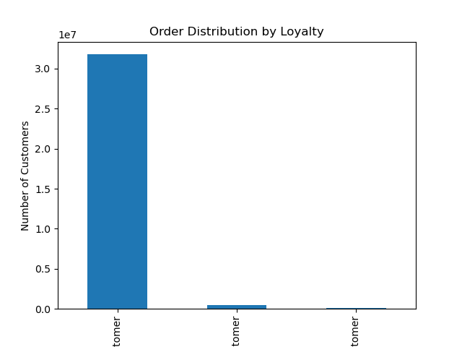

Loyal customer Regular customer New customer

Answer: | The graph shows that the majority of orders come from loyal customers, with far fewer from regular or new customers. This suggests that most of Instacart's business relies on repeat buyers, which justifies investing in loyalty-based rewards or targeted campaigns to retain them.

Question: | What differences can you find in ordering habits of different customer profiles?”
 | Are there certain types of products that are more popular than others?

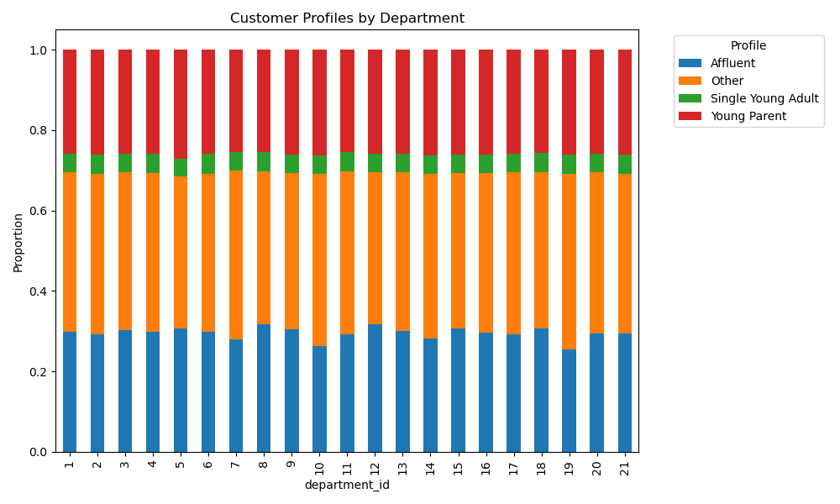

Answer: | The stacked bar chart shows how customer types (e.g., Affluent, Young Parent) are distributed across departments. While "Other" customers dominate most departments, the proportions of Affluent and Young Parents are consistent.
 | This can guide department-level targeting—e.g., if a department has more young parents, baby products could be promoted more heavily there.

Question: | What are the busiest hours of the day?



Answer: | The histogram shows peak order times between 10:00 AM and 4:00 PM. Ads and promotions could be scheduled for off-peak hours to boost traffic during quieter times or leverage peak hours to maximize visibility.

Question: | Is there a connection between age and family status in terms of ordering habits?

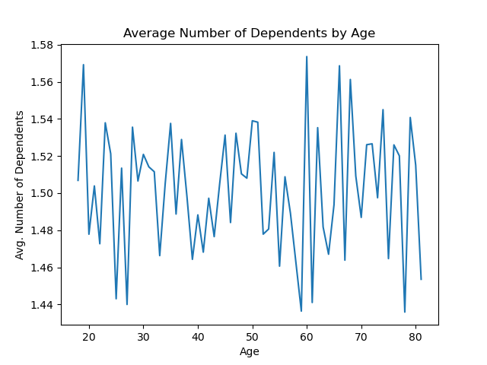

Answer: | This line chart shows modest variation in the average number of dependents by age, with occasional peaks. It suggests that while age is somewhat associated with family size, the trend is noisy. segmentation, especially for users in the 30–50 range.
 | However, targeting products for families may still benefit from age

Question: | Are there particular times of the day when people spend the most money?

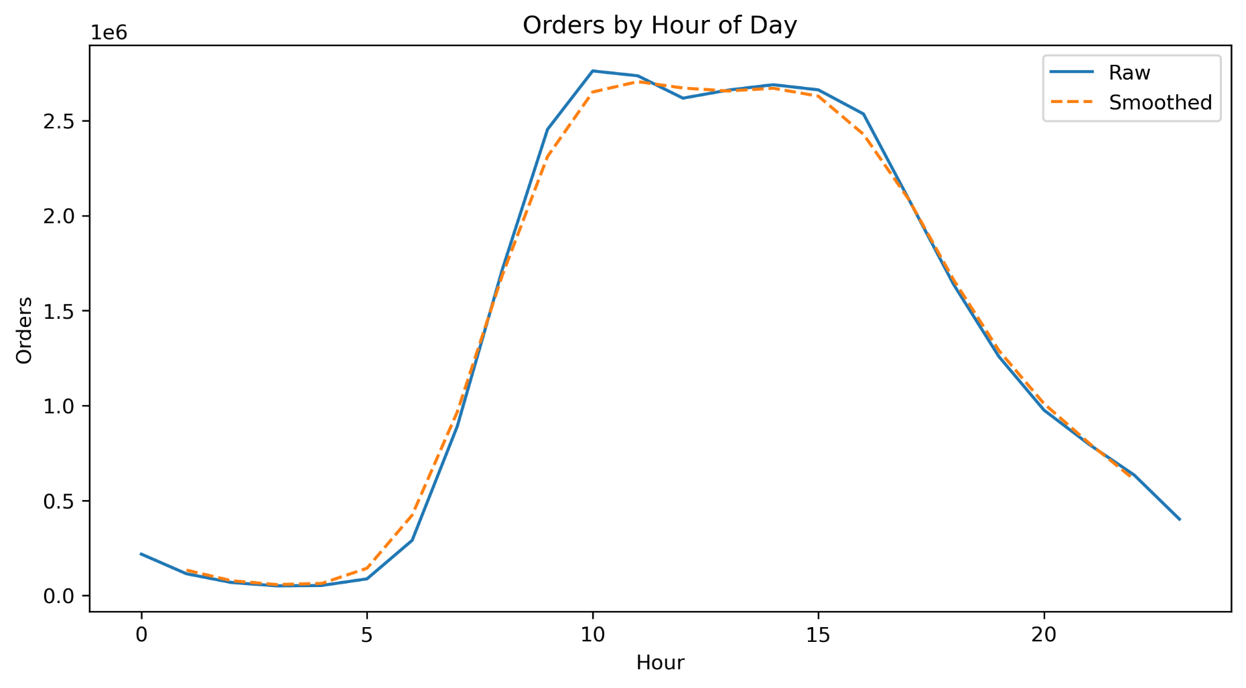

Answer: | The chart shows how customer orders are distributed throughout the day, with a clear rise in activity starting in the early morning and peaking between 10 a.m. and 4 p.m.

Question | What different classifications does the demographic information suggest?

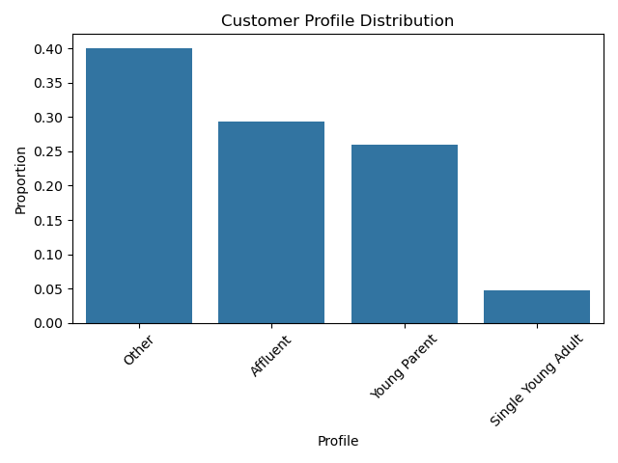

Answer: | This bar chart shows the breakdown of customer types, with 'Other' being the largest segment, followed by Affluent and Young Parents.
 | Marketing strategies should focus first on the largest segments but also consider more personalized campaigns for smaller but valuable groups like Affluent customers.

Question: | Are there differences in ordering habits based on a customer’s region?

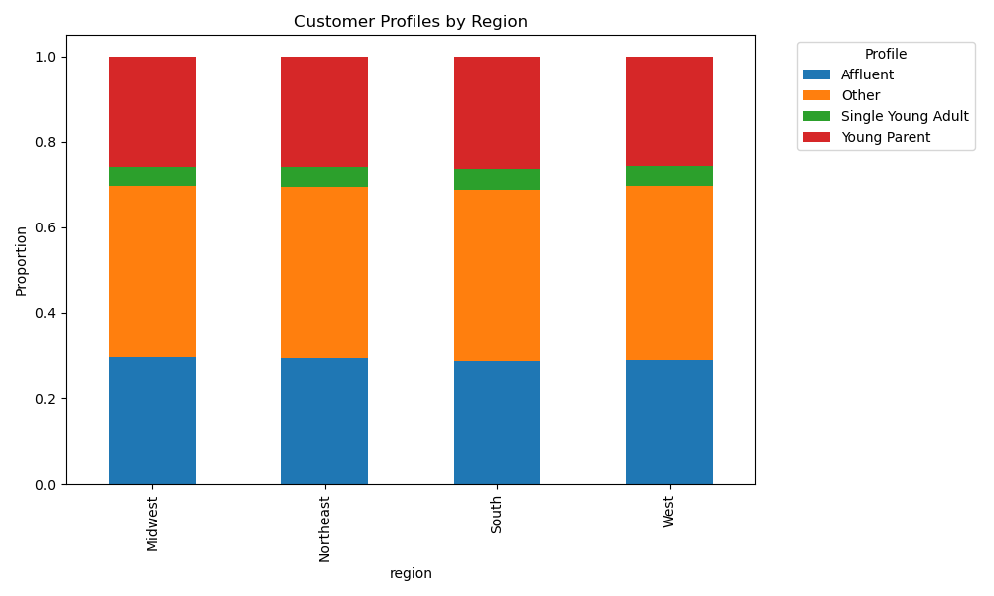

Answer: | The stacked bars reveal consistent distributions across all four U.S. regions. This suggests that while profiles are evenly spread, slight regional tweaks in messaging may still be beneficial if backed by more granular data.

Question: | What different classifications does the demographic information suggest?



Answer: | The scatterplot reveals that income increases with age, particularly after age 40.
 | This supports segmenting customers by both age and income—for example, promoting premium products to older, higher-income customers and value packs to younger, lower-income groups.

7. Recommendations
 |  | Title page

Recommendations

In this tab you should include any recommendations you would made to Instcart in terms of their marketing strategy based on the questions posed in the brief. Every key question has been covered in the Tasks of the Exercises - here you need to add an item - a visualisation or table/crosstable that is showing the answer in the data, acompanied by a comment from you. Please, list the questions below and add the answer underneath.

Instacart should prioritize marketing efforts toward loyal customers, as seen in the loyalty distribution chart where this group forms the majority of the user base. These customers represent significant lifetime value and are more likely to respond to retention strategies. Offering personalized discounts, loyalty rewards, and early access to deals can help maintain their engagement and increase long-term spending.
Instacart should prioritize marketing efforts toward loyal customers, as seen in the loyalty distribution chart where this group forms the majority of the user base. These customers represent significant lifetime value and are more likely to respond to retention strategies. Offering personalized discounts, loyalty rewards, and early access to deals can help maintain their engagement and increase long-term spending.
Question | Answer
What’s the distribution among users in regards to their brand loyalty?

Customer segmentation should play a key role in Instacart’s marketing strategy. The profile distribution and age-income scatterplot indicate distinct customer types, such as affluent users and young parents, each with unique behaviors and needs. For instance, affluent customers may be more interested in premium or specialty items, while young parents may prioritize family-sized groceries or time-saving products. By tailoring campaigns to these segments using demographic and behavioral data, Instacart can improve the relevance of its marketing and increase conversion rates.
Customer segmentation should play a key role in Instacart’s marketing strategy. The profile distribution and age-income scatterplot indicate distinct customer types, such as affluent users and young parents, each with unique behaviors and needs. For instance, affluent customers may be more interested in premium or specialty items, while young parents may prioritize family-sized groceries or time-saving products. By tailoring campaigns to these segments using demographic and behavioral data, Instacart can improve the relevance of its marketing and increase conversion rates.
What different classifications does the demographic information suggest?

Order activity peaks between 10 AM and 4 PM, based on the order hour histogram. To balance traffic and boost sales during quieter hours, Instacart should consider running special offers or flash promotions early in the morning or later in the evening. Additionally, since average spending varies slightly throughout the day, Instacart can align the type of products it promotes to match spending behavior—highlighting premium goods during peak hours and promoting value products during low-spending periods.
What are the busiest days and hours of the week?

Department-level purchasing patterns also reveal opportunities for targeted merchandising. Certain customer profiles are more prevalent in specific departments, suggesting that product recommendations can be fine-tuned to match typical behavior. For example, young parents may frequently shop in the dairy or snacks departments, so Instacart could surface those products more prominently in their personalized recommendations.
Are there certain types of products that are more popular than others?

Region-based analysis shows that while customer profiles are relatively evenly distributed across U.S. regions, there may still be local nuances worth exploring. Regional campaigns could highlight seasonally relevant products, cultural preferences, or state-specific holidays. This approach would help Instacart better connect with its users on a local level, improving engagement and fostering brand loyalty.
Are there differences in ordering habits based on a customer’s region?

The relationship between age and income, as visualized in the scatterplot, supports differentiated advertising strategies. Older users generally have higher incomes, suggesting that campaigns for higher-priced or gourmet items could be more effective when targeted at this demographic. Conversely, younger or lower-income customers might respond better to discounts, subscription perks, or bulk savings.
The relationship between age and income, as visualized in the scatterplot, supports differentiated advertising strategies. Older users generally have higher incomes, suggesting that campaigns for higher-priced or gourmet items could be more effective when targeted at this demographic. Conversely, younger or lower-income customers might respond better to discounts, subscription perks, or bulk savings.
Is there a connection between age and family status or income?

With Instacart offering a wide range of products at varying prices, it's advisable to introduce simplified price messaging. Creating product categories such as “Budget-Friendly,” “Everyday Essentials,” and “Premium Picks” can help users quickly find items that suit their budget, enhancing the shopping experience and guiding customers toward more confident purchasing decisions.
How can price groupings be simplified for marketing?

What time of day do customers place the most orders? | Customer order activity is relatively low from midnight to early morning but begins increasing around 5 a.m. and peaks between 10 a.m. and 4 p.m. These hours show the highest volume of orders, suggesting that most customers shop during typical daytime hours.

